Monica's suggestions
Monica's Comments | My Comments
Suggestion provided | Question No. in (2020) | QUESTION (2020) | Matching Question No. in (2014) | Comments | Extra Details (if any) of respective Question in 2014 | Extra Details (if any) of respective Question in 2020 | Final conclusions about each section
Question 11 in 2020 and Question 1 might be the same? | 11/1 | 1. What is your gender? | 1 |  | Options: O 1 Male O 2 Female O 3 X (Indeterminate/Intersex/Unspecified) O 4 Prefer not to say | Options: O 1 Male O 2 Female O 3 X (Indeterminate/Intersex/Unspecified) | Can Gender ans sexual preference be one?
 |  | 11. Do you identify as Lesbian, Gay, Bisexual, Trans, and/or Intersex (LGBTI+)? |  |  | Options: O 1 Yes O 2 No
Question 12b talks about career responsibilities but the answer talks about the number of children -> CHECK | It's not talking about career responsibilities but carer responsibilitie i.e., duties towards someone (like family or sick dear ones) as a carer.
Question 20g might be able to map more than one question because it has the bit “regarding the business risks that impact my workgroup”… Hence please do consider this mapping question. | 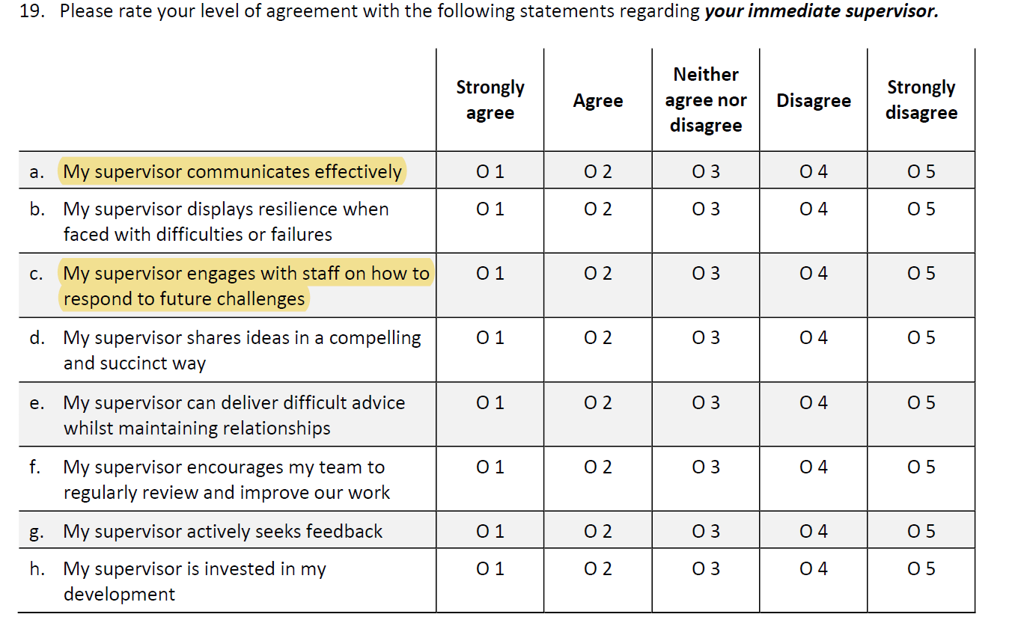 2020 |  |  |  | 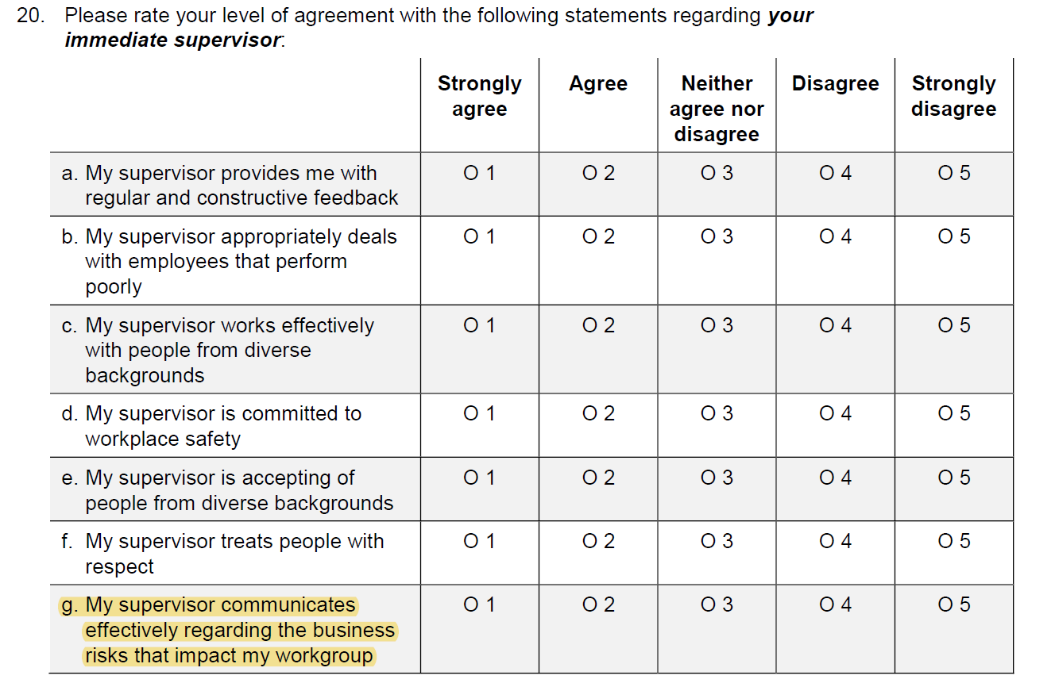 2014
Excellent summary about Section B. This summary gives you hints that you can analyse based on those bullet points and find the differences based on those main points. This applies to the rest of other sections. |  | The higjlighted cells were my doubts. I don't know if Monica has considered them as well and gave this comment!
In Section E 2020, you may want to conduct the level of satisfaction between Immediate Senior Executive Service and all SES in your agency. This to see if generally, there is a significant difference in the employee’s satisfaction levels between different managerial levels. You can also add another stakeholder which is APS. | 21 | The following questions only relate to the leadership practices of your immediate Senior Executive Service (SES) Line/Branch/Group manager or equivalent. Please rate your level of agreement with the following statements regarding your SES manager. | Similar to 21 (different level) | a-c | c. In my agency, communication between senior leaders and other employees is effective | a. My SES manager communicates effectively | 2020 question 21 contains information regarding immediate SES employees while 2014 question 21 is regarding all SES employees in general. There is similarity among the question, though they are not regarding same levels of employees. But comparison can be carried out to compare the level of satisfaction between immediate SES employees and those at various managerial level.
 |  |  |  | b-e,j | e. In my agency, senior leaders give their time to identify and develop talented people j. In my agency, senior leaders encourage innovation and creativity | b. My SES manager gives their time to identify and develop talented people
 |  |  |  | c-c | h. In my agency, senior leaders effectively lead and manage organisational change | c. My SES manager effectively leads and manages change
 |  |  |  | d-d | g. In my agency, senior leaders ensure that work effort contributes to the strategic direction of the agency and the APS | d. My SES manager ensures that work effort contributes to the strategic direction of the agency and the APS
 |  |  |  | e-f,d | f. In my agency, senior leaders communicate effectively regarding the business risks that we face d. In my agency, senior leaders engage with staff on how to respond to future challenges | e. My SES manager clearly articulates the direction and priorities for our area
 |  |  |  | f- not available in 2014 |  | f. My SES manager promotes cooperation within and between agencies
Also it would be interesting to see if working environment under the natural disasters or pandemic has any negative impacts on wellbeing, productivity and ways of working, developing capability, mobility. | 2020 has questions regarding Well-being, Productivity, Ways of Working, Developing Capabilities, and Mobility. 2014 has comparable questions regarding well-being (1 question). Hence we don't have enough data to compare Well-being, Productivity, Ways of Working, Developing Capabilities, and Mobility before and after pandemic. Does the comment suggest we have to consider only 2020 dataset to check for negetive impacts?

